Print Page 1
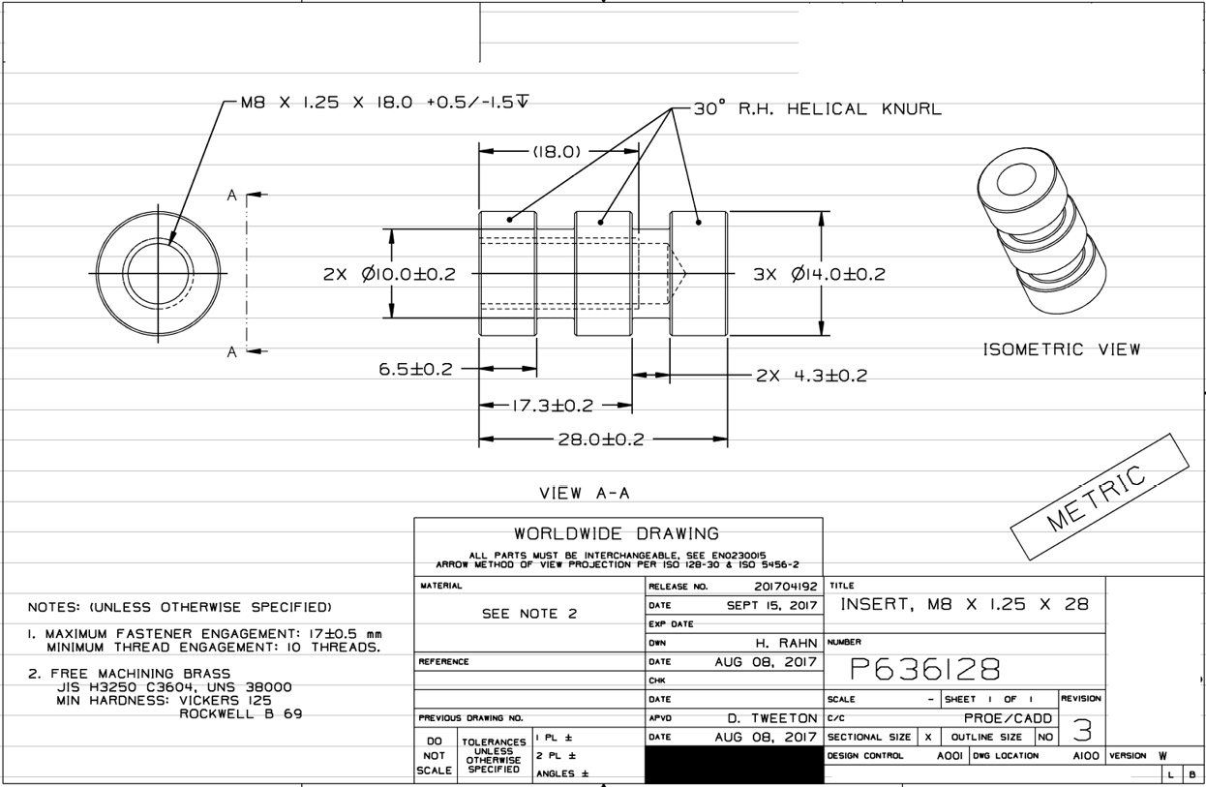

2
1

5
6

4
3

